Project Info
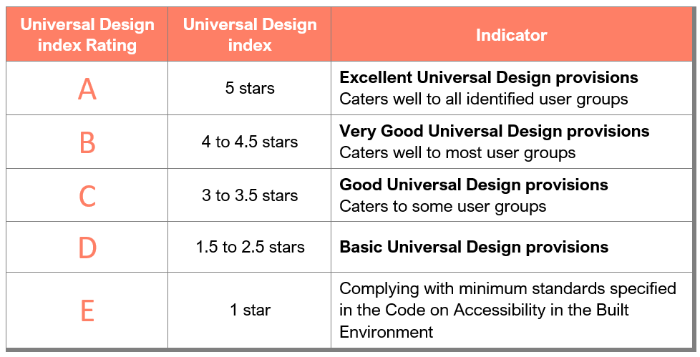
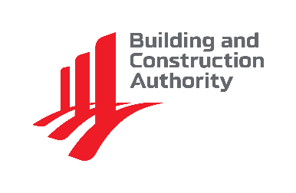
Universal Design index
INSTRUCTIONS
Inputs are required within yellow coloured cells only.
 |  | Nov 2025
PROJECT INFORMATION
Please fill in ALL fields below in yellow coloured cells
Project Reference Number
Description of Building Works
Address of Building
Postal Code(s) (to separate with commas)
Development Name, if any (to indicate "Nil" if there is none)
Total GFA (m2) | 0.00
Compliance to version of Code
Declared information in this form applies to

Name of Developer Firm
Name of Professional Firm
Name of Qualified Person

Consent to Publish Information
By submitting the UDi checklist, you consent to BCA collecting, using, disclosing and/or publishing the information provided. Such information relates to the facilities within a building, which are generally observable by members of the public, and may be published on BCA's website for the purpose of informing the public on the accessibility features and the UDi rating of the building.

Development's UDindex Rating | -
 | PLEASE CHECK YOUR INPUTS THROUGHOUT THE FORM

Level of User-friendliness Achieved by User Groups
Auto-computed from inputs in Part 1, 2 and 3, where applicable

User Group | User-friendly level
Persons with Disabilities | 24 points | 0 star
Elderly | 24 points | 0 star
Families with Young Children | 19 points | 0 star
Nursing / Expectant Mothers | 14 points | 0 star
All user groups - Code Compliant | Mandatory | 1 star
 | Total | 1 star

User-friendliness Levels
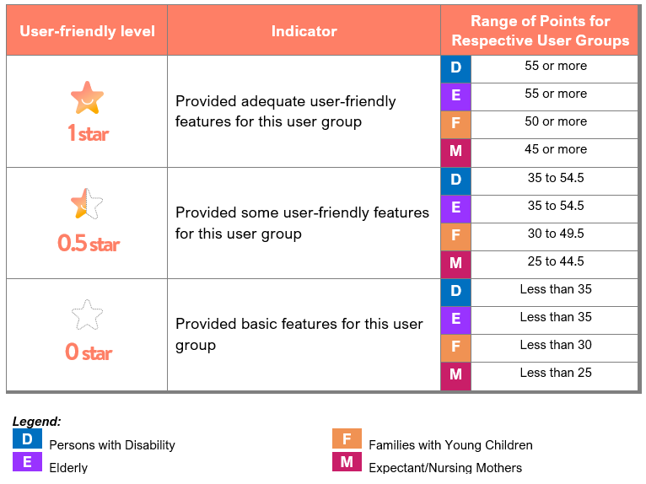

UDindex Rating

