Project Detail
GMDC: 2024 In Operation is applicable for existing Data Centres which have perviously attained Green Mark Certification, are applying for recertification, and have not done any major retgrofit*.

 GMDC: 2024 In Operation
Projects Details:
GM Reference No.
Project Name
Gross Floor Area (m2)
Previous GM Reference No.
Previous GM rating

Data Centre Key Performance Data:
Data Centre Type
Data Centre Age
Type of Air-conditioning System
Operating Total System Efficiency (kW/RT)
IT load Capacity (Total) (MW)
Current IT load (MW
Operating PUE

*Major retrofit - pls refer to the definition in GM: 2021

Criteria
1. Operating PUE
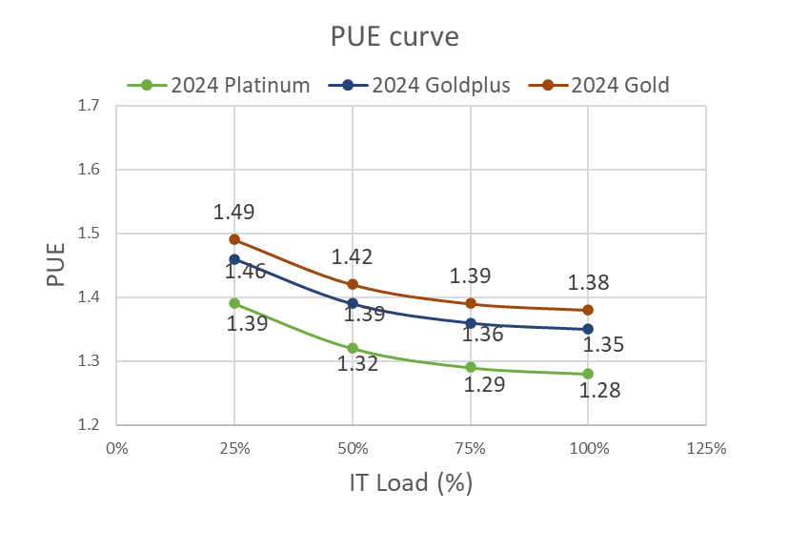 PUE is a metric that illustrates data centre energy efficiency using the total annual facility energy divided by total annual IT equipment energy. The IT equipment energy shall be measured at Power Distribution Unit (PDU) output [PUE category 2]. Please refer to SS 564 for details on the PUE metric and the measurement categories. PUE performance data for past 12 months shall be submitted.

2. Operating TSE

 | Green Mark Rating | Gold | GoldPLUS | Platinum
 | Total Cooling System Efficiency (TSE) (kW/RT) | 0.8 | 0.74 | 0.68
 | Airside Efficiency (kW/RT) (Applicable only for DCs with purchased cooling from District Cooling System (DCS) | 0.2 | 0.18 | 0.16

i) Total Cooling System Efficiency (TSE) (kW/RT) shall include both the water side and air side systems, irrespective of types of cooling systems and IT loads.
ii) Air-side Efficiency (kW/RT) is required for DCs with purchased cooling from District Cooling System (DCS), irrespective of types of cooling systems and IT loads.

3. IT Power Chain Efficiency

IT Power Chain Efficiency shall be at least 85% and include components such as transformers, transmission lines, switchgears, UPSs and PDUs serving the IT equipment.

4. Water Efficiency

a. Water Usage Effectiveness (WUE)
WUE is a metric that measures the efficiency of water usage in data centres. To encourage water use efficiency in data centres.

b. Cycle of Concentration of Cooling Tower
Use of a cooling tower water treatment system which can achieve 7 or better cycles of concentration (COC) with acceptable water quality when utilising PW, or 10 or better cycles of concentration (COC) with acceptable water quality when utilising NW

5. Energy and Water Improvement Plans

To establish sustainability targets, implementation measures and improvement plans to achieve the target set over the next three years:
a. Energy improvement plan
b. Water improvement plan

6. IAQ Surveillance Audit and Post Occupancy Evaluations (POE)

a. To Conduct IAQ Surveillance Audit on occupied areas once every 3 years. The audit shall be conducted by an accredited laboratory under Singapore Accreditation Council

b. To conduct a POE survey on occupied areas once every 3 years and take corrective actions accordingly.

